codeElement
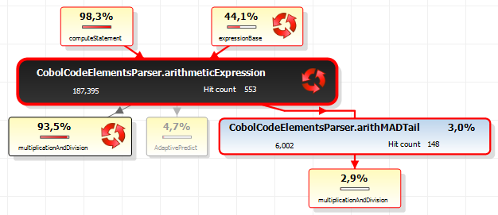
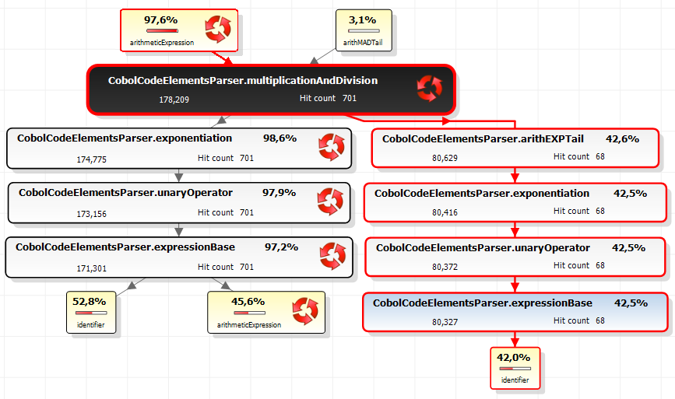
ifStatement |  |  | 63.5% |  | codeElement | 9163 |  | Before | codeElement | 7808
 | conditionalExpression | 63.4%
moveStatement |  |  | 9.5% |  | Top 10 methods |  | 91.5% | After | codeElement | 2250 | 71.2%
 | identifier | 7.6% |  |  | Top 8 expression methods |  | 85.3%
 | identifier | 1.3% |  |  | conditionalExpression/AdaptivePredict | 2352 | 25.7%
performProcedureStatement |  |  | 7.6% |  | identifier/AdaptivePredict | 2269 | 24.8%
 | conditionalExpression | 7.1% |  |  | operand/AdaptivePredict | 1499 | 16.4%
callStatement |  |  | 4.6% |  | simpleCondition/AdaptivePredict | 900 | 9.8%
 | callBy | 4.6% |  |  | callBy/AdaptivePredict | 355 | 3.9%
computeStatement |  |  | 2.9% |  | abbreviatedOr/AdaptivePredict | 270 | 2.9%
 | arithmeticExpression | 2.7% |  |  | dataNameReference/AdaptivePredict | 219 | 2.4%
whenConditionalExpression |  |  | 2.8% |  | codeElement/AdaptivePredict | 210 | 2.3%
 | conditionalExpression | 2.8% |  |  | abbreviatedAnd/AdaptivePredict | 156 | 1.7%
codeElement/AdaptivePredict |  |  | 2.3% |  | subscript/AdaptivePredict | 153 | 1.7%

 |  |  | 93.2% | du temps passé dans 7 rules

 |  |  |  |  | Top 4 rules | 89.5%
 |  |  |  |  | conditionalExpression | 73.3%
 |  |  |  |  | identifier | 8.9%
 |  |  |  |  | callBy | 4.6%
 |  |  |  |  | arithmeticExpression | 2.7%

conditionalExpression
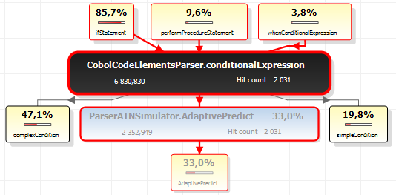
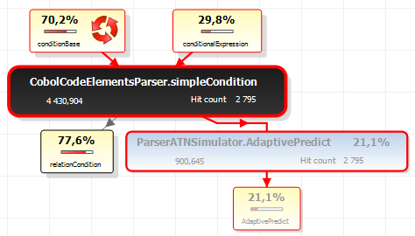
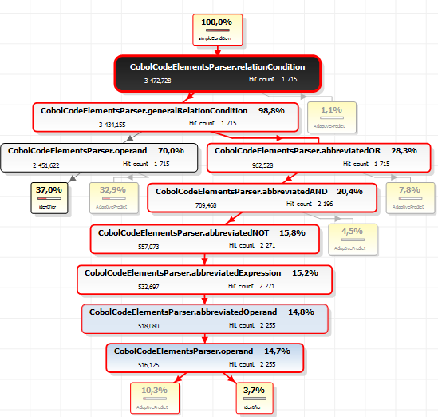

identifier
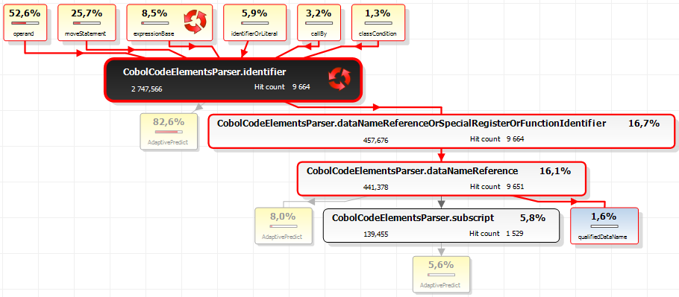

callBy
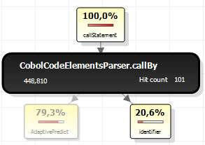

arithmeticExpression

cobolCompilationUnit
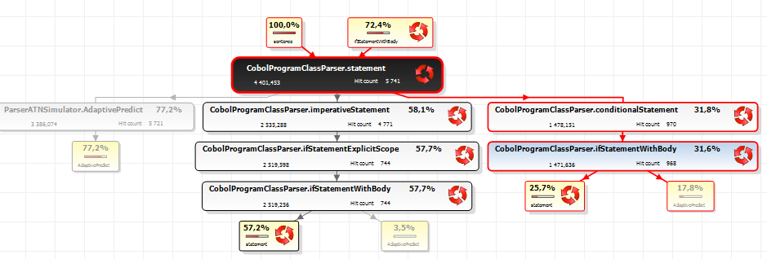
Top 4 methods |  | 96.3% | Before | cobolCompilationUnit | 10423
paragraph/AdaptivePredict | 5690 | 54.6%
statement/AdaptivePredict | 3386 | 32.5% | After | cobolCompilationUnit | 2338 | 77.6%
ifStatementWithBody/AdaptivePredict | 962 | 9.2%
section/AdaptivePredict | 295 | 2.8%

statement

